Sheet1
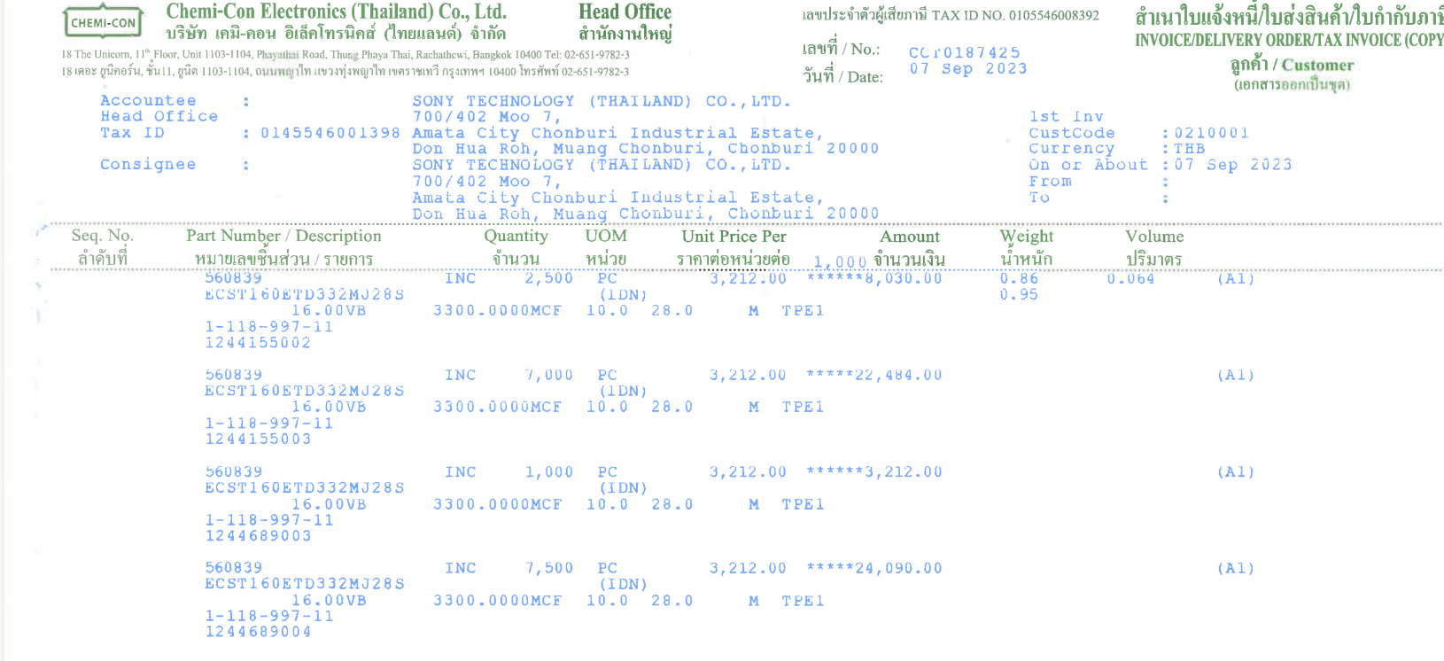

UNIT_PRICE
(3,212/1,000=3.212)

QTY

